BTS25

850 |  |  | SCHOOL FOOTWEAR COLLECTION 2025
 |  |  |  |  |  |  |  |  |  |  |  | 0 |  |  | $-
FOTO | CODIGO DE FACTURA | Style | NAME | Codigo | Comp. | Genero | Def. | Constr. | TALLA | Curva | Pack | Pedido | Retail | PVP | Total | Entrega | PA01 | PA02 | PA03 | PA04 | TOTAL
MUJER
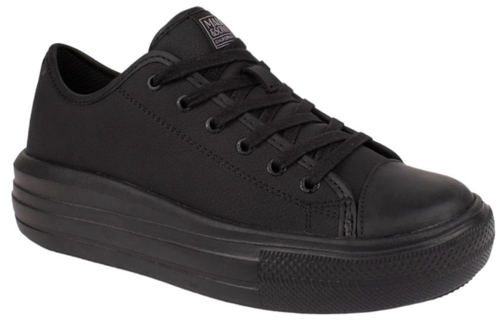 |  | 5CE122-WC24 | BOAT | 32433269121224 | ACTION LEATHER | Woman | Adulto | Cemented | 35-36-37-38-39-40 | 1-2-3-3-2-1 | 12 |  | $21,090 | $37,990 | $- | Dic.-24 |  | 12 | 12 |  | 24 | 24/F 244545
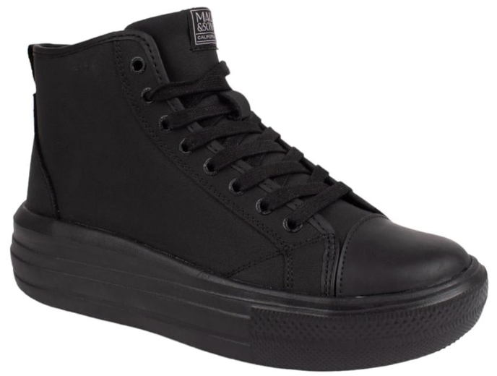 |  | 5CE123-WC24 | TRICK | 32433269121234 | ACTION LEATHER | Woman | Adulto | Cemented | 35-36-37-38-39-40 | 1-2-3-3-2-1 | 12 |  | $22,190 | $39,990 | $- | Dic.-24 |  |  | 12 |  | 12 | 12/F 244545
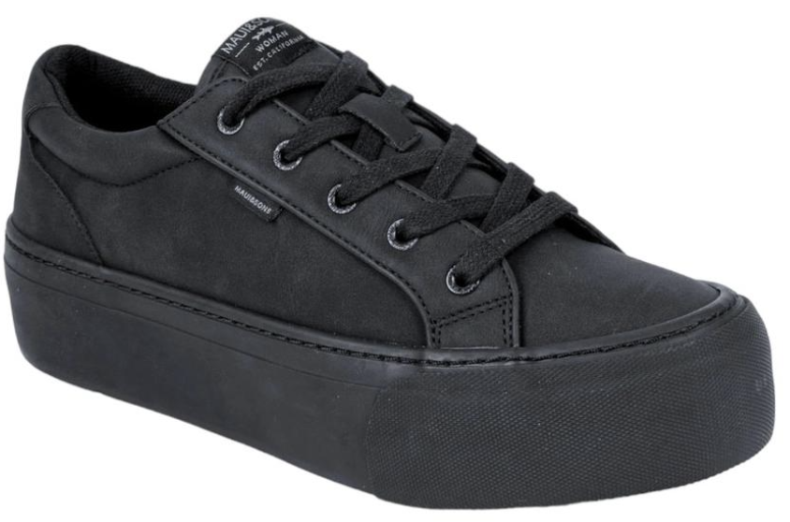 | 5CE119-WC25 | 5CE125-WC24 | KIEKIE | 32433269121254 | ACTION LEATHER | Woman | Adulto | Vulcanized | 35-36-37-38-39-40 | 1-2-3-3-2-1 | 12 |  | $21,090 | $37,990 | $- | Dic.-24 |  | 12 | 12 | 12 | 36 | 36/F 244148
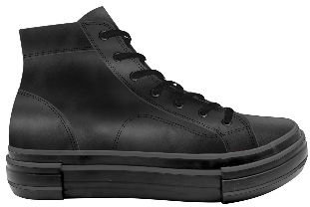 | 5CE117-WC25 | 5CE126-WC24 | KANE | 32433269121264 | ACTION LEATHER | Woman | Adulto | Vulcanized | 35-36-37-38-39-40 | 1-2-3-3-2-1 | 12 |  | $22,190 | $39,990 | $- | Dic.-24 |  |  | 12 |  | 12 | 12/F 244148
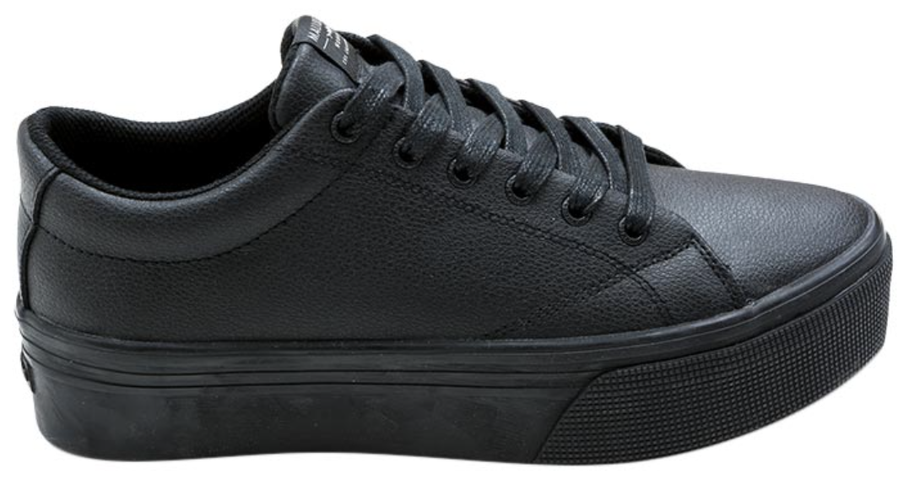 | 5CE118-WC | 5CE165-WC20 | OPUA | 32433269121274 | ACTION LEATHER | Woman | Adulto | Vulcanized | 35-36-37-38-39-40 | 1-2-3-3-2-1 | 12 |  | $21,090 | $37,990 | $- | Dic.-24 |  | 12 | 12 | 12 | 36 | 36/F 244043
 |  | 5CE167-WC20 | KAMAOLE | 3033269121674 | ACTION LEATHER | Woman | Adulto | Vulcanized | 35-36-37-38-39-40 | 1-2-3-3-2-1 | 12 |  | $21,090 | $37,990 | $- | Dic.-24 |  |  |  |  | 0
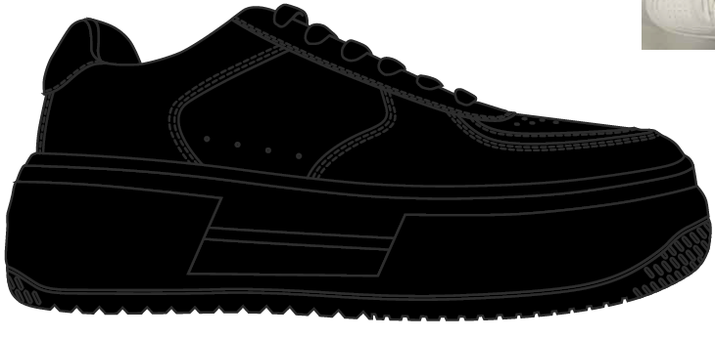 |  | 5CE116-WC25 | NEW | Pendiente |  | WOMAN | ADULTO | Cemented | 35-36-37-38-39-40 | 1-2-3-3-2-1 | 12 |  | $21,090 | $37,990 | $- | Dic.-24 |  |  |  |  | 0
HOMBRE |  |  |  |  |  |  |  |  |  |  |  |  |  |  |  | TOTAL WOMAN | 0 | 36 | 60 | 24 | 120
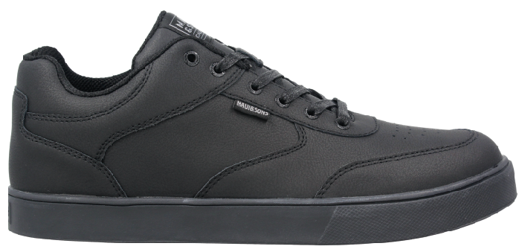 |  | 5CE112-MC24 | MAUKA | 32433169111124 | ACTION LEATHER | Man | Adulto | Cemented | 39-40-41-42-43-44 | 2-3-3-3-2-1 | 14 |  | $21,090 | $37,990 | $- | Dic.-24 |  |  | 14 |  | 14 |  | 14/F 244545
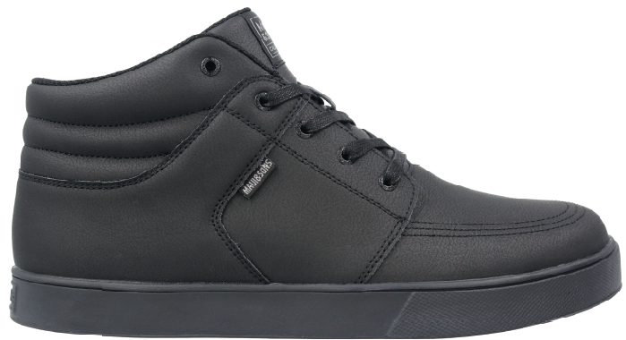 |  | 5CE115-MC24 | HALOE | 32433169111154 | ACTION LEATHER | Man | Adulto | Cemented | 39-40-41-42-43-44 | 2-3-3-3-2-1 | 14 |  | $22,190 | $39,990 | $- | Dic.-24 |  |  | 14 |  | 14 |  | 14/F 244545
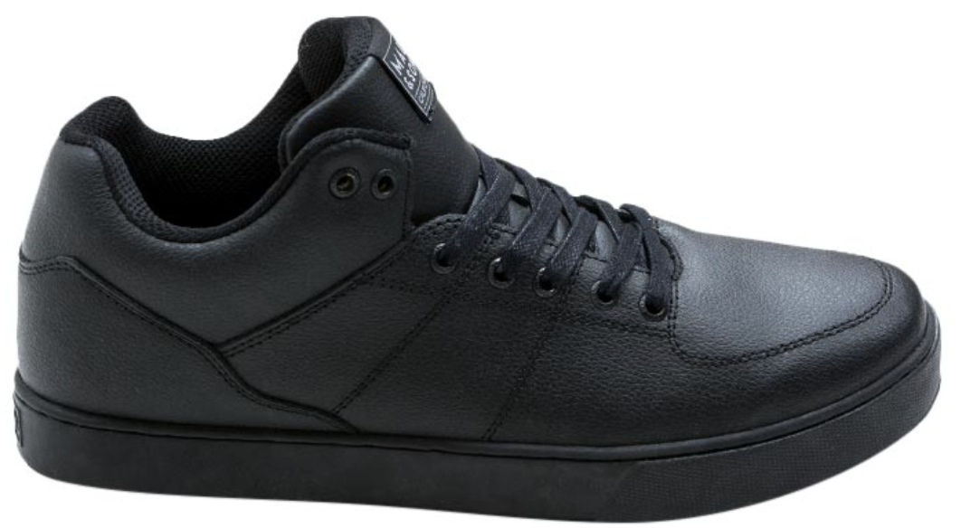 |  | 5CE154-MC20 | OLINDA | 3033169111544 | ACTION LEATHER | Man | Adulto | Cemented | 39-40-41-42-43-44 | 2-3-3-3-2-1 | 14 |  | $22,190 | $39,990 | $- | Dic.-24 | 14 | 14 | 14 | 28 | 70 |  | 70/F244242
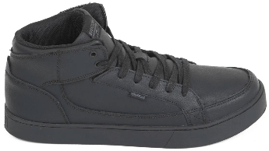 |  | 5CE155-MC20 | KULANUI | 3033169111554 | ACTION LEATHER | Man | Adulto | Cemented | 39-40-41-42-43-44 | 2-3-3-3-2-1 | 14 |  | $22,190 | $39,990 | $- | Dic.-24 | 14 | 14 | 14 | 28 | 70 |  | 70/F 244346
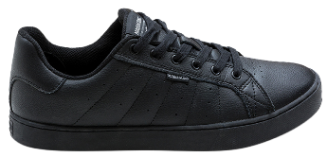 |  | 5CE156-MC20 | RULA | 3033169111564 | ACTION LEATHER | Man | Adulto | Cemented | 39-40-41-42-43-44 | 2-3-3-3-2-1 | 14 |  | $21,090 | $37,990 | $- | Dic.-24 |  |  | 14 | 14 | 28 |  | 28/F 244346
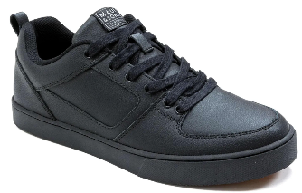 |  | 5CE158-MC20 | NAHIO | 3033169111584 | ACTION LEATHER | Man | Adulto | Cemented | 39-40-41-42-43-44 | 2-3-3-3-2-1 | 14 |  | $21,090 | $37,990 | $- | Dic.-24 | 14 | 14 | 14 | 28 | 70 |  | 70/F 244545
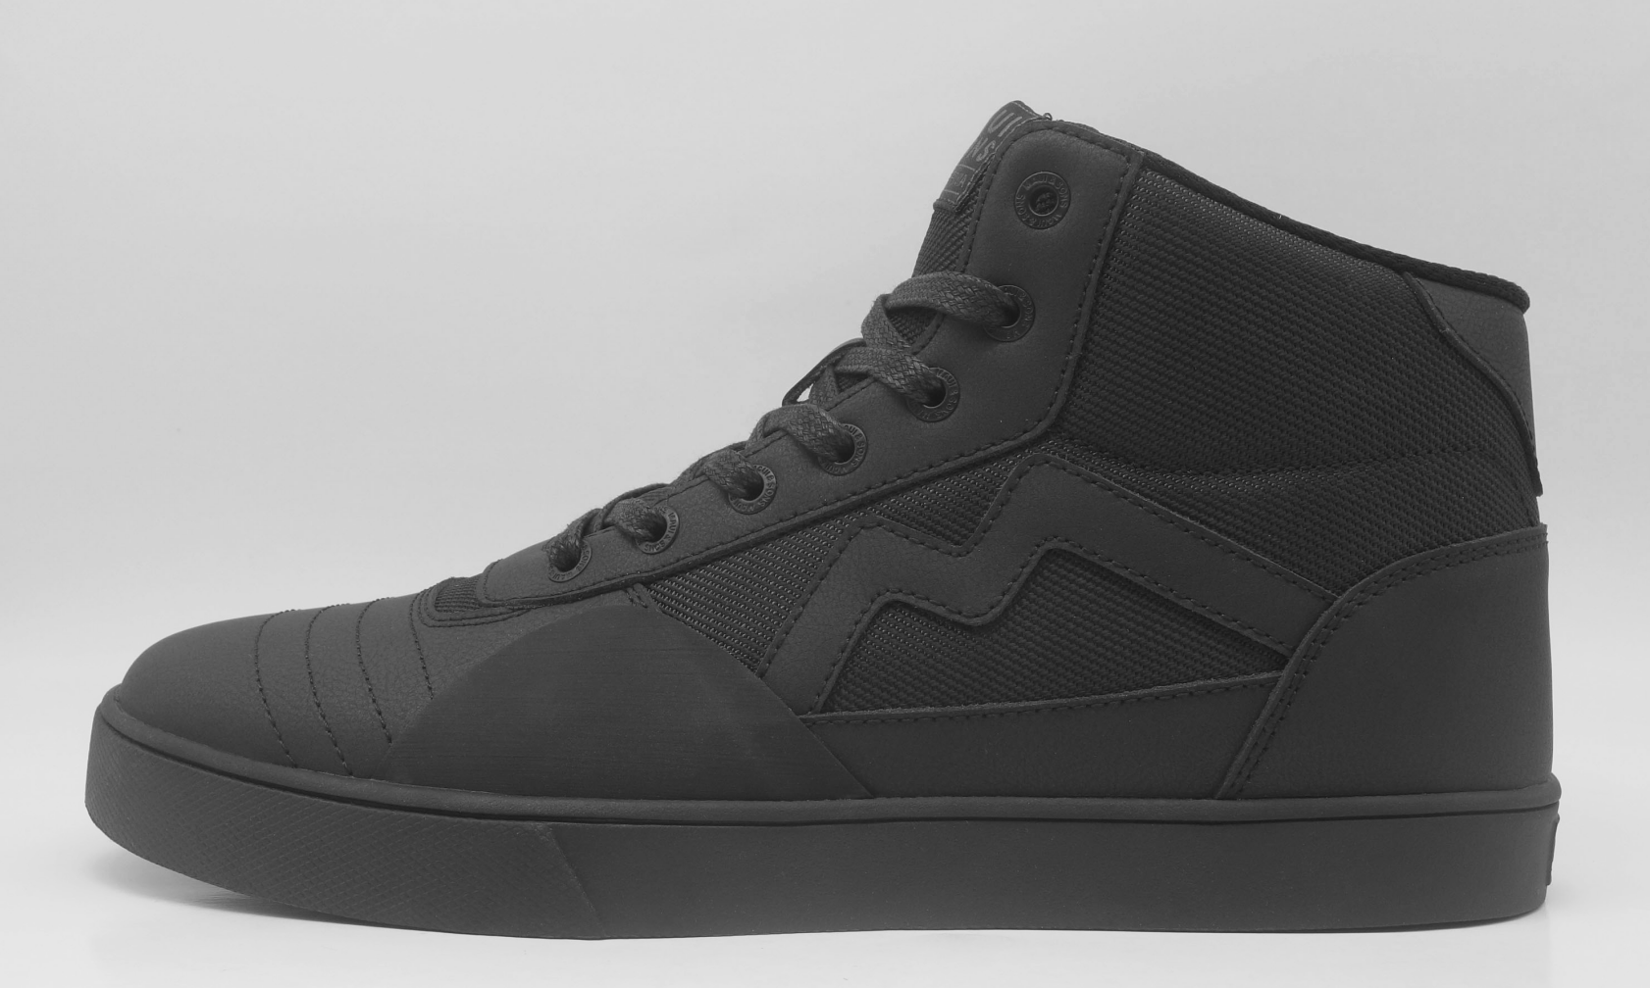 |  | 5CE109-MC25 | NEW | Pendiente | ACTION LEATHER | MAN | ADULTO | Cemented | 39-40-41-42-43-44 | 2-3-3-3-2-1 | 14 |  | $22,190 | $39,990 | $- | Dic.-24 |  | 14 | 14 |  | 28 |  | 28/F 244346
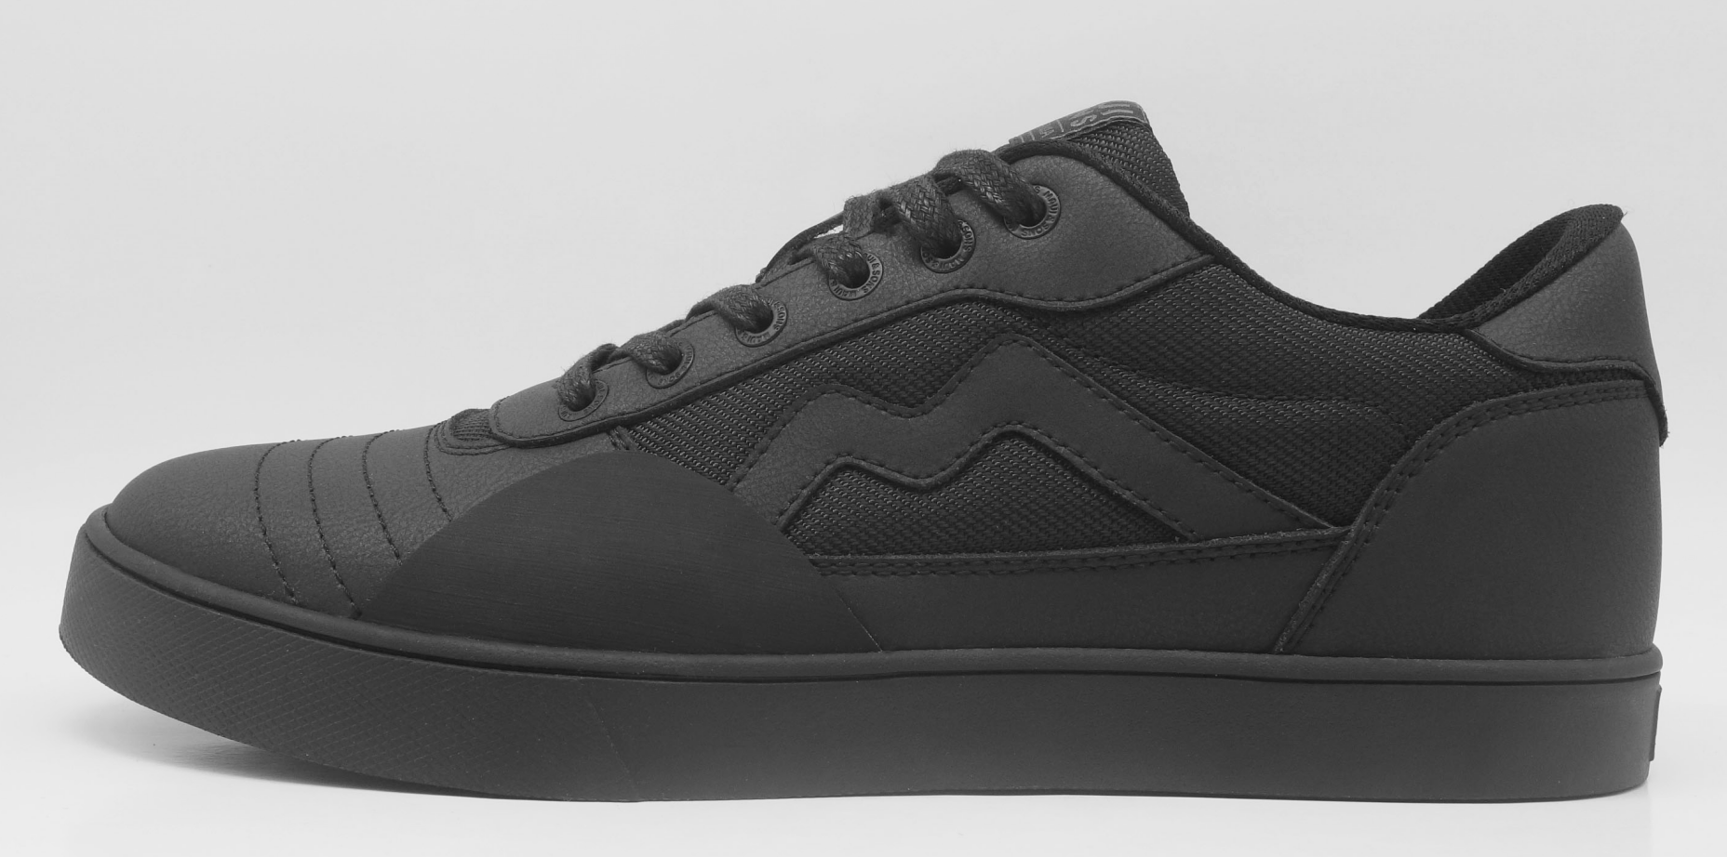 |  | 5CE108-MC25 | NEW | Pendiente | ACTION LEATHER | MAN | ADULTO | Cemented | 39-40-41-42-43-44 | 2-3-3-3-2-1 | 14 |  | $21,090 | $37,990 | $- | Dic.-24 |  | 14 | 14 |  | 28 |  | 28/F 244242 | FALTANTE
JUNIOR |  |  |  |  |  |  |  |  |  |  |  |  |  |  |  | TOTAL MAN | 42 | 70 | 112 | 98 | 322
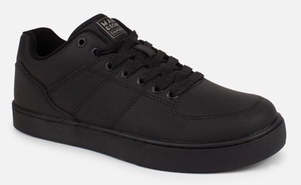 |  | 5CE117-MC24 | OLINDA | 32433469111173 | ACTION LEATHER | Man | Junior | Cemented | 35-36-37-38 | 2-2-3-3 | 10 |  | $19,390 | $34,990 | $- | Dic.-24 |  |  |  |  | 0
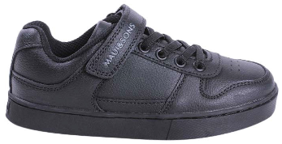 |  | 5CE118-MC24 | POKE LOW | 32433469111183 | ACTION LEATHER | Man | Junior | Cemented | 35-36-37-38 | 2-2-3-3 | 10 |  | $18,290 | $32,990 | $- | Dic.-24 | 20 | 20 | 20 | 20 | 80 |  | 40/F 244613 | 40/F 244545
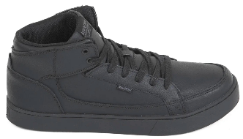 |  | 5CE119-MC24 | KULANUI | 32433469111193 | ACTION LEATHER | Man | Junior | Cemented | 35-36-37-38 | 2-2-3-3 | 10 |  | $19,390 | $34,990 | $- | Dic.-24 | 20 | 20 | 20 | 30 | 90 |  | 90/F 244242
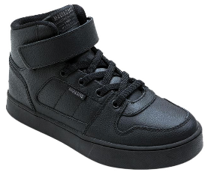 |  | 5CE176-MC20 | POKE HI | 3033469111763 | ACTION LEATHER | Man | Junior | Cemented | 35-36-37-38 | 2-2-3-3 | 10 |  | $19,390 | $34,990 | $- | Dic.-24 | 20 | 20 | 20 | 30 | 90 |  | 90/F 244613
 |  | 5CE177-MC20 | RULA | 3033469111773 | ACTION LEATHER | Man | Junior | Cemented | 35-36-37-38 | 2-2-3-3 | 10 |  | $18,290 | $32,990 | $- | Dic.-24 |  | 20 | 20 | 20 | 60 |  | 60/F 244242
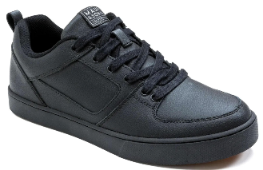 |  | 5CE178-MC20 | NAHIO | 3033469111783 | ACTION LEATHER | Man | Junior | Cemented | 35-36-37-38 | 2-2-3-3 | 10 |  | $18,290 | $32,990 | $- | Dic.-24 |  | 20 | 20 | 30 | 70 |  | 70/F 244545
 |  | 5C111-MC25 | NEW | Pendiente | ACTION LEATHER | MAN | Junior | Cemented | 35-36-37-38 | 2-2-3-3 | 10 |  | $19,390 | $34,990 | $- | Dic.-24 |  | 20 | 20 |  | 40 |  | 40/F 244346
 |  | 5C110-MC25 | NEW | Pendiente | ACTION LEATHER | MAN | Junior | Cemented | 35-36-37-38 | 2-2-3-3 | 10 |  | $18,290 | $32,990 | $- | Dic.-24 |  | 20 | 20 |  | 40 |  | 40/F 244346
KID |  |  |  |  |  |  |  |  |  |  |  |  |  |  | $- | TOTAL JUNIOR | 60 | 140 | 140 | 130 | 470
 |  | 5CE120-KC24 | RULA | 32433369111202 | ACTION LEATHER | Man | Kids | Cemented | 29-30-31-32-33-34 | 1-1-1-2-2-3 | 10 |  | $16,690 | $29,990 | $- | Dic.-24 |  | 20 | 20 | 20 | 60 |  | 60/F 244242
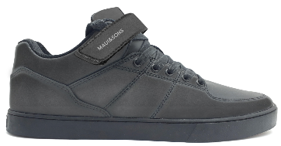 |  | 5CE121-KC24 | OLINDA | 32433369111212 | ACTION LEATHER | Man | Kids | Cemented | 29-30-31-32-33-34 | 1-1-1-2-2-3 | 10 |  | $18,290 | $32,990 | $- | Dic.-24 |  | 20 | 20 |  | 40 |  | 40/F 244346
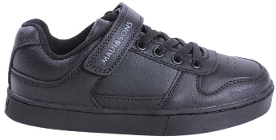 |  | 5CE170-KC20 | POKE LOW | 3033369111702 | ACTION LEATHER | Man | Kids | Cemented | 29-30-31-32-33-34 | 1-1-1-2-2-3 | 10 |  | $16,690 | $29,990 | $- | Dic.-24 | 20 | 20 | 20 | 20 | 80 |  | 30/F 244241 | 40/F 244346 | 10/F 244242
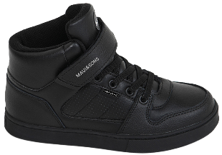 |  | 5CE173-KC20 | POKE HI | 3033369111732 | ACTION LEATHER | Man | Kids | Cemented | 29-30-31-32-33-34 | 1-1-1-2-2-3 | 10 |  | $18,290 | $32,990 | $- | Dic.-24 | 20 | 20 | 20 | 20 | 80 |  | 80/F 244346
 |  |  |  |  |  |  |  |  |  |  |  |  |  |  |  | TOTAL KIDS | 40 | 80 | 80 | 60 | 260

 |  |  |  |  |  |  |  |  |  |  |  |  |  |  |  | WOMAN | 0 | 36 | 60 | 24 | 120
 |  |  |  |  |  |  |  |  |  |  |  |  |  |  |  | MEN | 42 | 70 | 112 | 98 | 322
 |  |  |  |  |  |  |  |  |  |  |  |  |  |  |  | JUNIOR | 60 | 140 | 140 | 130 | 470
 |  |  |  |  |  |  |  |  |  |  |  |  |  |  |  | KIDS | 40 | 80 | 80 | 60 | 260
 |  |  |  |  |  |  |  |  |  |  |  |  |  |  |  | TOTAL GENERAL | 142 | 326 | 392 | 312 | 1172

